1. Title Page
Instacart GroceryBasket Analysis

Project Name: Instacart GroceryBasket Analysis
Date: Jan 18, 2023
Analyst Name: Maverick Figueira

Contents:
Population Flow
Consistency checks
Wrangling steps
Column derivations
Visualizations
Recommendations

2. Population Flow
Title page

Population flow

Exclusion flag
Condition: max_order < 5
Obervations to be removed: first and last names were removed.
Final total count of order_products_all: 32,404,854

Orders_products_combined
Orders_products_merged
Orders_products_all

Total: 32,404,859
Total: 32,434,489
Total: 32,404,854

1.) The grey boxes in the first row of the population flow represent the original data sets as they were when you downloaded them. In the Total fields you need to add the count of the rows when you imported the data set into Jupyter.
2.) The second row of boxes (coloured) represents the data sets after you manipulated them, e.g., removed missing values and duplicates. In the Total fields you need to add the count of the rows after conducting these operations. This offers a visual oveview of how the data flows throughout the data consistency checks.
3.) The third row, where also the arrows are coloured, represents the merges you performed between the datasets. In the Total fields you need to add the count of the rows in the merged datasets, so that you end up with the final dataset (in the red box). Keep in mind the final dataset should be without exclusions (based on the exclusion flag).

3. Consistency checks
 |  |  |  | Title page
Consistency checks

Dataset | Missing values | Missing values treatment | Duplicates
orders | 206,209 missing values in days_since_prior_order column | None, as they are first time customers, so there is no previous data | None
products | 16 missing values in product name | missing values dropped | 5. Duplicates were removed.
orders_products_prior | None | None | None
customers | 11,259 values from first_name were missing | None, as their user id was intact and it was the key to later merge data tables. | None

4. Wrangling steps
 |  |  |  | Title page
Wrangling steps

Columns dropped | Columns renamed | Columns' type changed | Comment/Reason
eval_set |  |  | All columns have the same value of "prior" and indicates that this is a prior data set released by Instacart. This column is not needed and therefore has been removed from the dataframe.
 | 'order_dow' : 'orders_day_of_week' |  | Order_dow was not very intuitive and may be confusing to somebody who did not know that 'dow' stood for day of week. Therefore, the column was renamed for readability.
 |  | order_id | The order_id column's data type was changed from integer to string because it is a key related to a specific order.
 |  | user_id | The user_id column's data type was changed from integer to string because it is a key related to a specific user.
Unnamed: 0.1 |  |  | Dropped Unnammed: 0.1 from the df_orders_products_combined dataframe as it was not needed.
Unnamed: 0 |  |  | Dropped Unnammed: 0 from the df_orders_products_combined dataframe as it was not needed.
_merge |  |  | Dropped _merge from the df_orders_products_combined dataframe as it was no longer needed.
Unnamed: 0 |  |  | Dropped Unnammed: 0 from the df_prods dataframe as it was not needed.
 | 'Surnam' : 'last_name' |  | Surnam is not used often, and did not line up with the other headings, so I changed it to last_name for readability and to be in line with the first_name heading.
 | 'STATE' : 'State' |  | STATE was in all caps and not in line with the other headings, so I changed is to state to be consistent.
 | 'n_dependants' : 'dependants' |  | n_dependants is not used often, so I changed it to dependants to be in line with other titles.
 | Gender' : 'gender' |  | Gender was changed to gender to keep it accurate with other titles
 | First Name' : first_name |  | First Name was changed to first_name to keep it accurate with other titles
 | 'fam_status' : 'relationship_status' |  | Changed fam_status to relationship status as that is a more common term. It also allows different relationship options if Instant cart is interested in that data in the future.
 | Age' : 'age' |  | Age was changed to ag to keep consistency among titles
 |  | user_id | The user_id column's data type was changed from integer to string because it is a key related to a specific user.
First Name |  |  | Dropped First Name for Data Security reasons as this data is considered PII data
Last Name |  |  | Dropped Last Name for Data Security reasons as this data is considered PII data
_merge |  |  | Dropped _merge from the orders_products_all dataframe as it was no longer needed.
Dropped low_activity customers from the exclusing_flag column. |  |  | Step 4 of part 1 of the task asked to drop low_activity customers from the exclusing_flag column. Low_activity customers are customers with less than 5 orders.
 |  | department_id | The department_id column's data type was changed from integer to string because it is a key related to a specific department.
 |  | product_id | The product_id column's data type was changed from integer to string because it is a key related to a specific product.

5. Column derivations
 |  |  |  | Title page

Column derivations and aggregations

In this tab you should add tables below that the frequences of flags/label variables that you produced after deriving them. NB: don't do this for continuous variables, only for flags.
Dataset | New column | Column/s it was derived from | Conditions
df_ords_prods_merge | price_range' | price | prices <= 5: 'Low range product' price > 5 and <= 15: 'Mid range product' price >15: 'High range product'
df_ords_prods_merge | busiest_day | orders_day_of_week | value == 0 or 1: 'Busiest days' value == 4 or 3: 'Slowest days' else: 'Regular days'
df_ords_prods_merge | busiest_period_of_day | order_hour_of_day | value == 10, 11, 14, 15: 'Most orders' value == 3, 4, 2, 5: 'Fewest orders' else: 'Average orders'
ords_prods_merge_derived_grouped | loyalty_flag | max_order | max_order > 40: 'Loyal customer' max_order <= 40 and > 10: 'Regular customer' max_order <= 10: 'New customer'
ords_prods_merge_derived_grouped | spending_flag | average_spend | mean_price <10: 'Low spender' mean_prices >= 10: 'High spender'
ords_prods_merge_derived_grouped | frequency_flag | customer_frequency | median_orders_interval > 20: 'Non-frequent customer' median_orders_interval >10 and <= 20: 'Regular customer' median_orders_interval <= 10: 'Frequent customer'
ords_prods_all | region | state | Placed states in the respective regions: West, South, Midwest and Northeast. Used the following website: https://www.50states.com/city/regions.htm
ords_prods_all | order_flag | max_order | command was given to separate individuals with orders less than 5 and 5 and more orders
ords_prods_all | age_flag | age | < 18 = adolescent 19 to 34 = young adult 35 to 65 = adult 65+ = senior citizen
ords_prods_all | income_flag | income | < 12000 = poverty 12000 to 20000 = low income 20000 to 30000 = lower-middle class 30000 to 80000 = middle class 80000+ = wealthy
ords_prods_all | dependants_flag | dependants | 0 dependants = no children 1 or more dependants = have child(ren)

6. Visualizations
 |  |  |  | Title page

Visualisations

Busiest Days of the Week
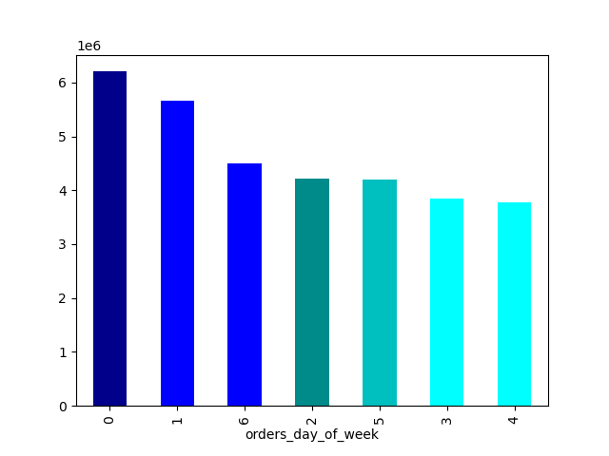
 | We can see that Sunday and Saturday are the days with the most orders. In comparison, Thursday has the fewest orders.


Busiest Hours of the Day
day

 | This shows that the busiest time for InstantCart is between 10 AM to 3 PM.

Times of the Day When People Spend the Most Money.



 | People spend most in the earlier times of the day, but after 3 they start to spend less.

Price Range Adjustment

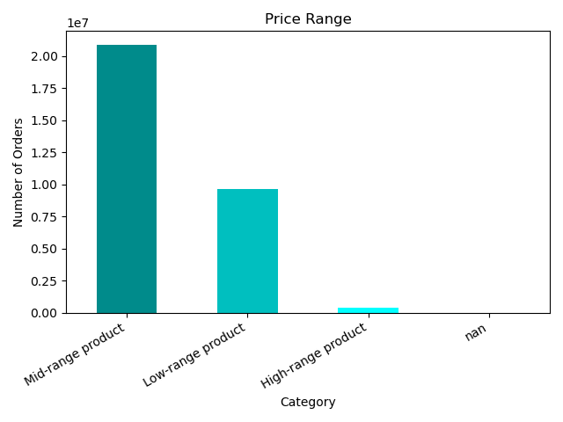
 | prices <= 5: 'Low range product' price > 5 and <= 15: 'Mid range product' price >15: 'High range product'

Popular Departments

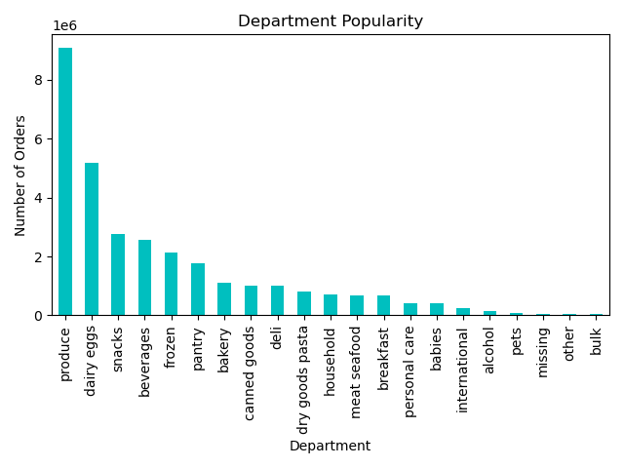

 | This shows that produce is the department with the number of orders. Followed by dairy eggs.

Brand Loyalty

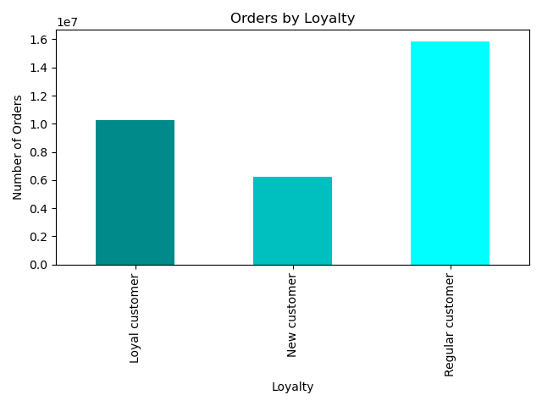

 | Most IntantCart customers are considered regular (10-40 orders).

Differences in Ordering Habits by Loyalty
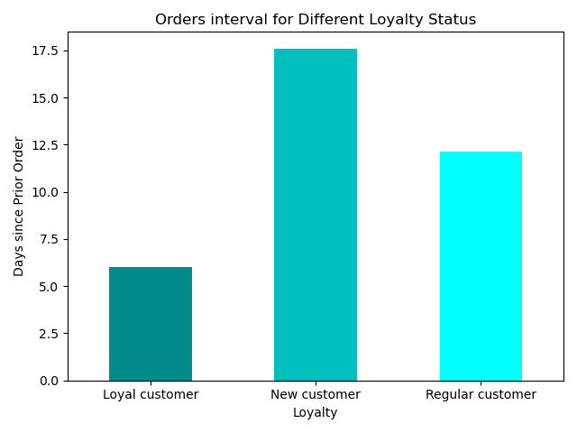

 | We can see that our Loyal customers use our service every six days.

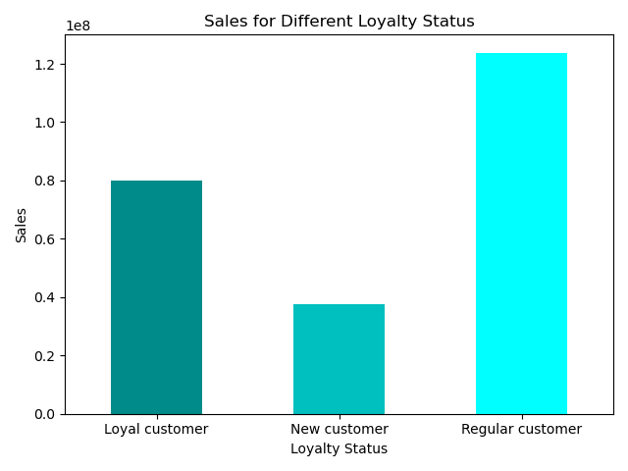
 | While loyal customers use InstantCart more often, regular customers make up the majority of our sales.

Ordering Habits by Region

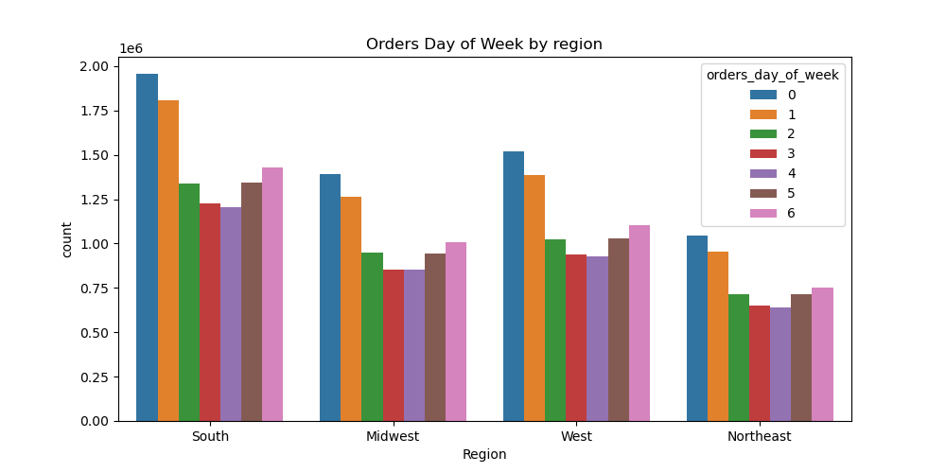
 | The South makes up for a majority of our sales across all days of the week.

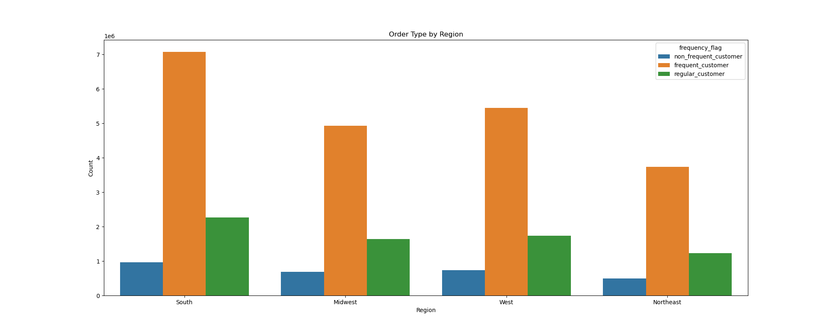

 |  | The South once again comes in first when it comes to the frequency of customers using Instant Cart.

Ordering Habits by Age and Family Status

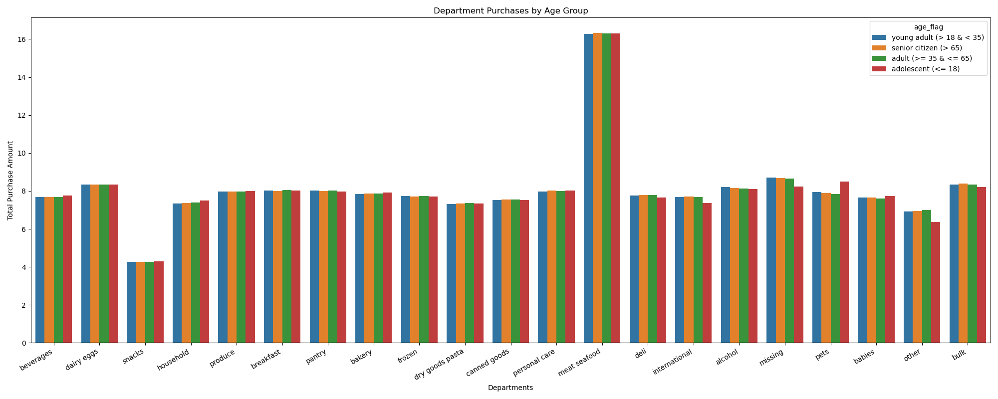

 |  |  | We can see no influence on age and the department they buy from.

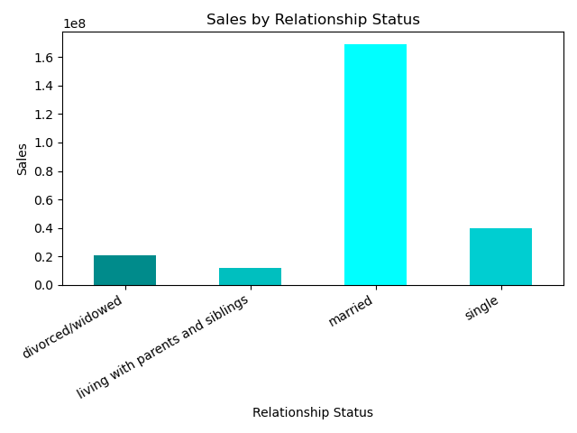
 | People who are married make up the majority of people who use InstantCart's services.

Income


 | We see that 200,000 is the average income across all ages. However, people of 40 begin to have a higher income.

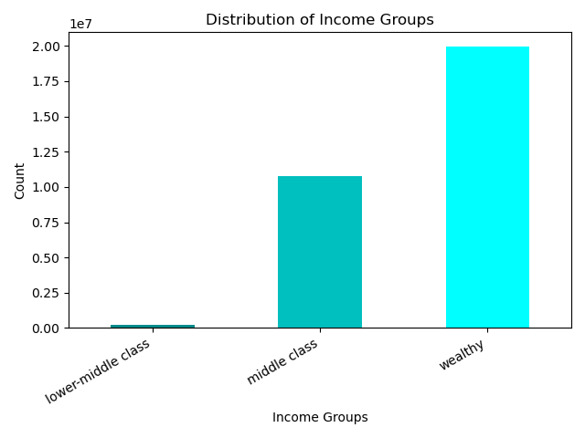

 | If we further break down the numbers, we can see that InstantCart has individuals who are in the wealthy category.
 | < 12000 = poverty 12000 to 20000 = low income 20000 to 30000 = lower-middle class 30000 to 80000 = middle class 80000+ = wealthy

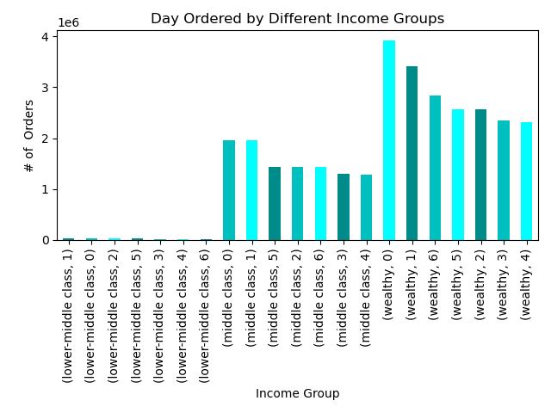
 | Between the income groups, we can see that Saturday and Sunday are the busiest days (0, 1).

Customer Profiles

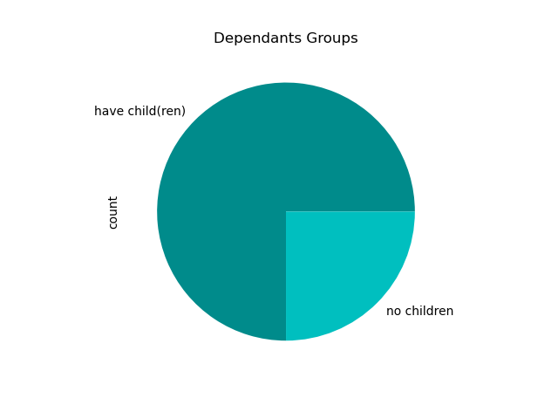
 | About 75% of InstantCart's customers have at least one dependant.

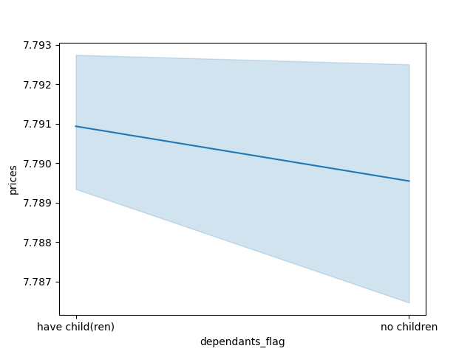

 | We can see that there is a correlation between dependants and sales. The more dependents a user has, the more likely they are to spend more.

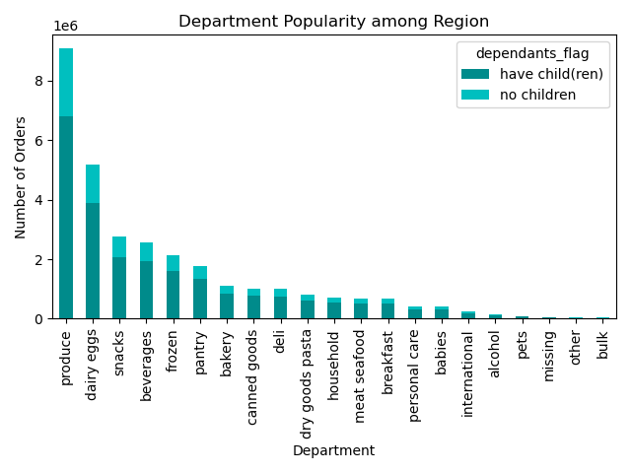
 | This further confirms that users with children spend more in all departments. Produce is the department with the most sales.

7. Recommendations
 |  |  | Title page

Recommendations

In this tab you should include any recommendations you would made to Instcart in terms of their marketing strategy based on the questions posed in the brief. Every key question has been covered in the Tasks of the Exercises - here you need to add an item - a visualisation or table/crosstable that is showing the answer in the data, acompanied by a comment from you. Please, list the questions below and add the answer underneath.

Question | Answer | Recommendations
Key Question 1: what are the busiest days of the week and hours of the day. | The busiest days of the week are Saturdays and Sundays. The busiest hours are between 10AM and 3PM. | Recommendations to schedule ads on social media and TV (will be touched on later, but older individuals are our highest earners) at 9 am to boost sales throughout the week. However, Friday should be the best day as it gives people more incentive to buy other things during the weekend.
Key Question 2: Whether there are particular times of the day when people spend the most money. | In the morning is when people spend the most money. However, spending falls off around 3-4 PM. | We should prioritize morning ads with the exception of Friday night, as mentioned earlier.
Key Question 3: Marketing and sales want to use simpler price range groupings to help direct their efforts. | Mid range products ($5 - $15) are most sold. | More ads or sales around mid-range products will be beneficial. These could even be further tied to the customer's purchases and give them special deals.
Key Question 4: Are there certain types of products that are more popular than others? | Produce, dairy/eggs, and snacks are the departments with the most sales. | The majority of ads and sales should revolve around these departments.
Key Question 5: What’s the distribution among users in regards to their brand loyalty (i.e., how often do they return to Instacart)? | Most of our customers are Regular customers (orders: 10-40) and followed by loyal customers (orders: > 40) Our loyal customers use InstantCart roughly every 5 days, while our regular customers use it roughly every two weeks. | To get more of our regular customers to use InstantCart, we could send them emails with sales on items they usually buy when they use our service.
Key Question 6: Are there differences in ordering habits based on a customer’s loyalty status? | Regular customers make up the majority of sales, and as mentioned earlier, loyal customers use the services more often. | If we use the targeted sales towards our regular customers we might be able to get them to use the service more. We should reward our loyal customers for using our services, such as so many orders allow a free service fee.
Key Question 7: Are there differences in ordering habits based on a customer’s region? | Individuals in the South account for the most considerable portion of sales (comfort food has a notoriety for a reason). Sunday and Saturday are still the busiest days across the regions. | Look into placing a majority of the advertisement budget in the southern states.
Key Question 8: Is there a connection between age and family status in terms of ordering habits? | Most of our customers are married. Regardless of age, sales within different departments are the same. | In our ads, if we show a couple shopping or enjoying a meal, they may subconsciously think that they need to try out the meal with their significant other.
Key Question 9&10: Customer Profile What different classifications does the demographic information suggest? Age? Income? Certain types of goods? Family status? What differences can you find in ordering habits of different customer profiles? Consider the price of orders, the frequency of orders, the products customers are ordering, and anything else you can think of. | Wealthy and middle-class income makes up the majority of our customers. It was also discovered that most individuals make more money at 40 years old and older. Income had no influence on the days ordered. Then, a majority of our customers (roughly 75%) have at least one child. Those with children do tend to spend more on InstantCart's services. | Wealthy individuals still love their deals, so there shouldn’t be any change. However, we can also include some children in our ads or sales on products that children consume a lot of or desire, such as pop tarts, cereal, etc.

